Chart
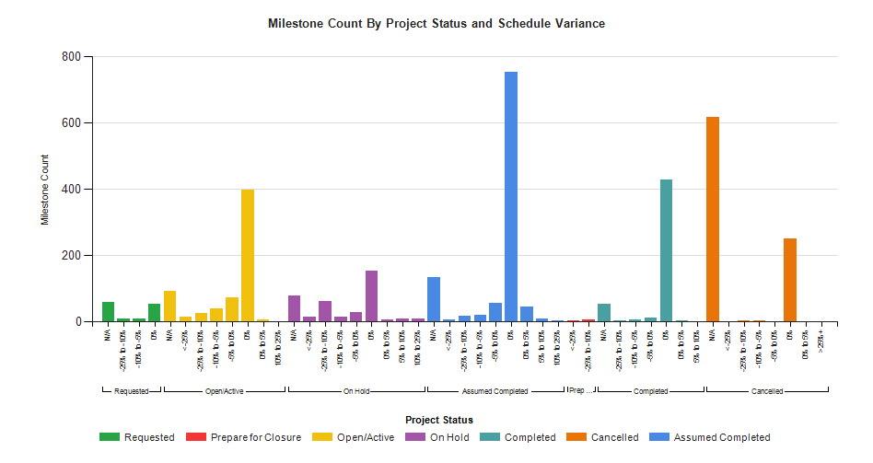
Milestone Status Summary
Portfolio: Portfolio_GS IT All Projects

